Scenario
Research Impact Data (individual researcher)

Scenario:
Dr. Bonny Specker reached out to you because she's been nominated for an award. She needs to present the impact of her work to the awards committee. She's asked you to help her highight a few aspects of her work in a PowerPoint presentation.

The high level of publishing productivity through out her career span
The high number of citations her publications have received, including comparisons to NIH-funded reserach papers
The types of journals she's published with most often
The main co-authors on her publications (because she wants to highlight her strong networking skills)
An other bibliographic information you think might be important about her work.

Resources:
A name-based search in PubMed (Specker BL[Author]) turns up 107 documents from 1985 - 2020. You gather additional data from the iCite Tool and PubReminer. The data from these tools can be found in the following spreadsheet tabs:

 | iCite Documents | list of all documents from iCite tool with metrics
 | PubReminer | metadata about PubMed documents from PubReminer
 | Definitions | description of various metrics provided in each tab
 | Example Visualizations | examples of visualizations to inspire creativity

Example Visualizations
Bonny Specker, PhD
Director, Health Programs

Documents by Type
Document Analysis
107
published documents
from 1980 -2019 from iCite
Documents by Year
Overview. Publication data from iCite from 1980 - 2019.
Overview. Publication data from PubReminder from 1985 - 2019.
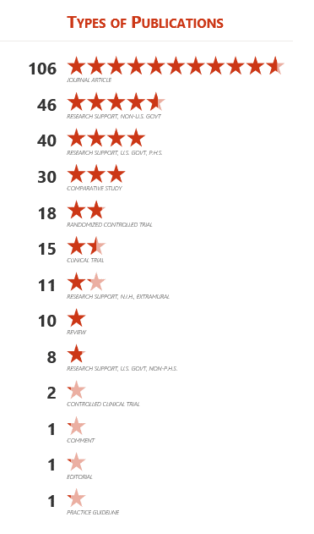
1985-1989 | 17
1990-1994 | 18
1995-1999 | 18
2000-2004 | 15
2005-2009 | 13
2010-2014 | 12
2015 - 2019 | 13

207
co-authors
from 1980 -2019 from iCite

5
country affiliations of co-authors
from 1980 -2019 from iCite

Citation Analysis
NIH Percentile Rank
3,197
citations
from 1980 -2019 from iCite
53% of the documents rank in the 50th percentile or above for citation impact.
(56 out of 105 documents indexed in iCites have a percentile rank >=99.0 - 50.0)

 | Series 1 | Series 2 | Series 3 | Series 4
 | 1 | 13 | 24 | 52
 | 99 | 87 | 76 | 48
Top 50%
Top 20%
Top 10%
Top 1%
105
documents
analyzed in the
iCite tool

1 documents in top 1% of subject area
11 documents in top 10% of subject area
24 documents in top 20% of subject area
56 documents in top 50% of subject area
49 documents not in top 50% subject area

69
documents
were cited by Clinical Documents

Relative Citation Ratio by Year

 | < 1.0 Less than NIH-funded average | 1.0 - 1.9 at or slightly above NIH-funded average | 2.0 - 2.9 above NIH-funded average | >= 3.0 significantly above NIH-funded average
1995 - 1999 | 5 | 4 | 5 | 4
2000 - 2004 | 8 | 3 | 4 | 0
2005 - 2009 | 8 | 1 | 2 | 2
2010 - 2014 | 8 | 2 | 2 | 0
2015 - 2019 | 9 | 1 | 0 | 2
72% of documents
scored 1.0 or above
13 of 18documents from 1995-1999)
47% of documents
scored 1.0 or above
(7 of 15 documents in 2000-2004)
38% of documents
scored 1.0 or above
(5 of 13 documents in 2005-2009)
33% of documents
scored 1.0 or above
(4 of 12 documents in 2010-2014)
25% of documents
scored 1.0 or above
(3 of 12 documents in 2015 - 2019)

