Sheet1
Type | Sample | Primer PCR | Sample_ID | I7_Index_ID | index | Experiment Name | Reagent ID/excel file name
M1 | s. intestine | P48 | M1SI | A001 | ATCACG | 2023_03_01_STAMPBL012_M1_M4 | MS2055207_50V2
M1 | caecum | P51 | M1cae | A002 | CGATGT |  |  | Cluster % PF | 76
M1 | colon | P52 | M1col | A003 | TTAGGC |  |  | %>Q30 | 91
M1 | feces | P53 | M1fec | A004 | TGACCA |  |  | Density | 1627
M2 | stomach | P54 | M2st | A005 | ACAGTG
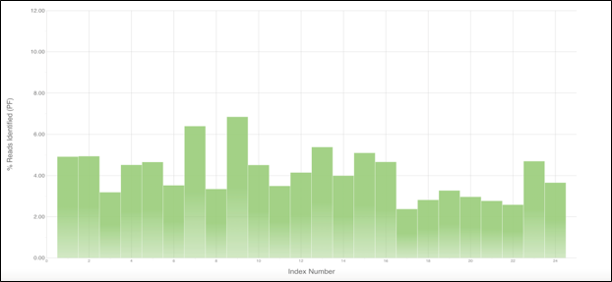
M2 | s. intestine | P55 | M2SI | A006 | GCCAAT
M2 | caecum | P56 | M2cae | A007 | CAGATC
M2 | colon | P57 | M2col | A008 | ACTTGA
M2 | feces | P58 | M2fec | A009 | GATCAG
M3 | stomach | P59 | M3st | A010 | TAGCTT
M3 | s. intestine | P60 | M3SI | A011 | GGCTAC
M3 | caecum | P61 | M3cae | A012 | CTTGTA
M3 | colon | P62 | M3col | A013 | AGTCAA
M3 | feces | P63 | M3fec | A014 | AGTTCC
M4 | stomach | P64 | M4st | A015 | ATGTCA
M4 | s. intestine | P65 | M4SI | A016 | CCGTCC
M4 | caecum | P66 | M4cae | A018 | GTCCGC
M4 | colon | P67 | M4col | A019 | GTGAAA
M4 | feces | P68 | M4fec | A020 | GTGGCC
inoculum | 1 | P69 | in1 | A021 | GTTTCG
inoculum | 2 | P70 | in2 | A022 | CGTACG
inoculum | 3 | P71 | in3 | A023 | GAGTGG
inoculum | 4 | P72 | in4 | A025 | ACTGAT
inoculum | 5 | P73 | in5 | A027 | ATTCCT
M5 | stomach | P48 | M5st | A001 | ATCACG | 2023_03_27_STAMPBL012_M5_M8 | MS2056008_50V2 / MS2058008_50V2
M5 | s. intestine | P51 | M5si | A002 | CGATGT |  |  | Cluster % PF | 76.8
M5 | caecum | P52 | M5cae | A003 | TTAGGC |  |  | %>Q30 | 76
M5 | colon | P53 | M5col | A004 | TGACCA |  |  | Density | 1514
M5 | feces | P54 | M5fec | A005 | ACAGTG
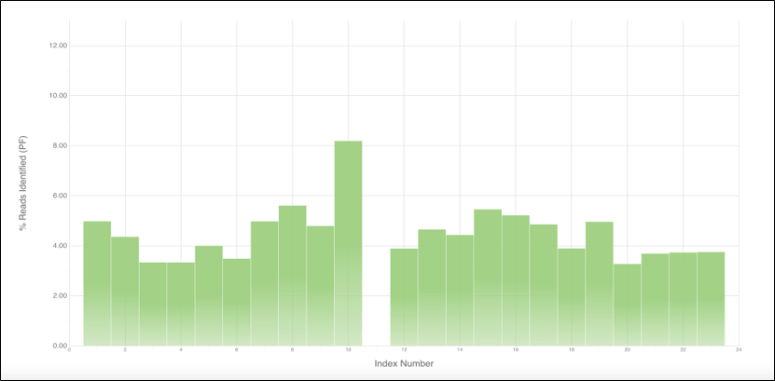
M7 | stomach | P55 | M7st | A006 | GCCAAT
M7 | s. intestine | P56 | M7si | A007 | CAGATC
M7 | caecum | P57 | M7cae | A008 | ACTTGA
M7 | colon | P58 | M7col | A009 | GATCAG
M7 | feces 48hpi | P59 | M748 | A010 | TAGCTT
M7 | feces 24hpi | P60 | M724 | A011 | GGCTAC
M8 | stomach | P61 | M8st | A012 | CTTGTA
M8 | s. intestine | P62 | M8si | A013 | AGTCAA
M8 | caecum | P63 | M8cae | A014 | AGTTCC
M8 | colon | P64 | M8col | A015 | ATGTCA
M8 | feces 48hpi | P65 | M848 | A016 | CCGTCC
M8 | feces 24hpi | P66 | M824 | A018 | GTCCGC
inoculum | 6 | P67 | in6 | A019 | GTGAAA
inoculum | 7 | P68 | in7 | A020 | GTGGCC
inoculum | 8 | P69 | in8 | A021 | GTTTCG
inoculum | 9 | P70 | in9 | A022 | CGTACG
inoculum | 10 | P71 | in10 | A023 | GAGTGG
inoculum | 11 | P72 | in11 | A025 | ACTGAT
M9 | s. intestine | P48 | M9SI | A001 | ATCACG | 2023_04_03_STAMPBL012_M9_M11 | MS2056013_50V2 | Cluster % PF | 67.9
M9 | caecum | P51 | M9cae | A002 | CGATGT |  |  | %>Q30 | 85.6
M9 | colon | P52 | M9col | A003 | TTAGGC |  |  | Density | 1285
M9 | feces 48hpi | P53 | M948 | A004 | TGACCA
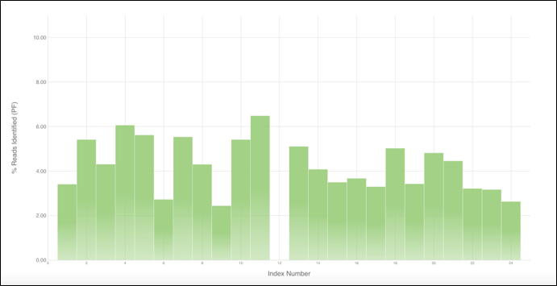
M9 | feces 24hpi | P54 | M924 | A005 | ACAGTG
M10 | stomach | P55 | M10st | A006 | GCCAAT
M10 | s. intestine | P56 | M10SI | A007 | CAGATC
M10 | caecum | P57 | M10cae | A008 | ACTTGA
M10 | colon | P58 | M10col | A009 | GATCAG
M10 | feces 48hpi | P59 | M1048 | A010 | TAGCTT
M10 | feces 24hpi | P60 | M1024 | A011 | GGCTAC
M11 | stomach | P61 | M11st | A012 | CTTGTA
M11 | s. intestine | P62 | M11SI | A013 | AGTCAA
M11 | caecum | P63 | M11cae | A014 | AGTTCC
M11 | colon | P64 | M11col | A015 | ATGTCA
M11 | feces 72hpi | P65 | M1172 | A016 | CCGTCC
M11 | feces 24hpi | P66 | M1124 | A018 | GTCCGC
M11 | feces 48hpi | P67 | M1148 | A019 | GTGAAA
inoculum | 12 | P68 | in12 | A020 | GTGGCC
inoculum | 13 | P69 | in13 | A021 | GTTTCG
inoculum | 14 | P70 | in14 | A022 | CGTACG
inoculum | 15 | P71 | in15 | A023 | GAGTGG
inoculum | 16 | P72 | in16 | A025 | ACTGAT
inoculum | 17 | P73 | in17 | A027 | ATTCCT
M12 | s. intestine | P48 | M12SI | A001 | ATCACG | 2023_04_05_STAMPBL012_M12_M14 | MS2056012_50V2
M12 | caecum | P51 | M12cae | A002 | CGATGT |  |  | Cluster % PF | 88.3
M12 | colon | P52 | M12col | A003 | TTAGGC |  |  | %>Q30 | 97.1
M12 | feces 72hpi | P53 | M1272 | A004 | TGACCA |  |  | Density | 1228
M12 | feces 24hpi | P54 | M1224 | A005 | ACAGTG
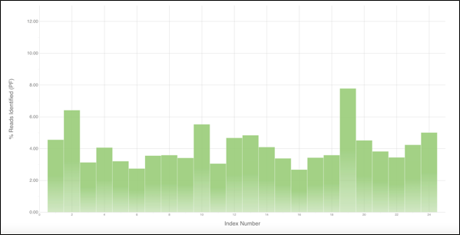
M13 | stomach | P55 | M13st | A006 | GCCAAT
M13 | s. intestine | P56 | M13SI | A007 | CAGATC
M13 | caecum | P57 | M13cae | A008 | ACTTGA
M13 | colon | P58 | M13col | A009 | GATCAG
M13 | feces 72hpi | P59 | M1372 | A010 | TAGCTT
M13 | feces 24hpi | P60 | M1324 | A011 | GGCTAC
M14 | stomach | P61 | M14st | A012 | CTTGTA
M14 | s. intestine | P62 | M14SI | A013 | AGTCAA
M14 | caecum | P63 | M14cae | A014 | AGTTCC
M14 | colon | P64 | M14col | A015 | ATGTCA
M14 | feces 72hpi | P65 | M1472 | A016 | CCGTCC
M14 | feces 24hpi | P66 | M1424 | A018 | GTCCGC
M14 | feces 48hpi | P67 | M1448 | A019 | GTGAAA
inoculum | 18 | P68 | in18 | A020 | GTGGCC
inoculum | 19 | P69 | in19 | A021 | GTTTCG
inoculum | 20 | P70 | in20 | A022 | CGTACG
inoculum | 21 | P71 | in21 | A023 | GAGTGG
inoculum | 22 | P72 | in22 | A025 | ACTGAT
inoculum | 23 | P73 | in23 | A027 | ATTCCT
M15 | s. intestine | P48 | M15SI | A001 | ATCACG | 2023_04_06_STAMPBL012_M15 | MS2055991_50V2 | Cluster % PF | 77.8
M15 | caecum | P51 | M15cae | A002 | CGATGT |  |  | %>Q30 | 81.8
M15 | colon | P52 | M15col | A003 | TTAGGC |  |  | Density | 1580
M15 | feces 72hpi | P53 | M1572 | A004 | TGACCA
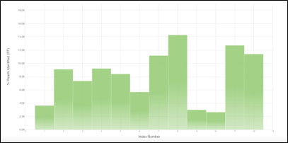
M15 | feces 24hpi | P54 | M1524 | A005 | ACAGTG
M15 | feces 48hpi | P55 | M1548 | A006 | GCCAAT
inoculum | 24 | P56 | in24 | A007 | CAGATC
inoculum | 25 | P57 | in25 | A008 | ACTTGA

M7 | feces 48hpi | P59 | M748 | A010 | TAGCTT
M7 | feces 24hpi | P60 | M724 | A011 | GGCTAC
inoculum | 29 | P61 | in29 | A012 | CTTGTA
inoculum | 30 | P62 | in30 | A013 | AGTCAA

